Sheet1
Requirement ID | Requirement Description | Story points | Priority | Sprint No. | Status
1 | Create Repository and setup Jira/Github integration | 1 | 1 | 1 | Complete. Respository is setup as demonstrated by the submission link
2 | Implement Spotify OAuth 2.0 login to authenticate users without creating new accounts | 13 | 1 | 1 | Complete. Users click the login button (see Figure 2) and are taken to Spotify's OAuth login screen (See Figure 4). Spotify's authentication and authroization servers then post a callback to our application and we redirect the user to their Scorify dashboard (See Figures 1 and 3).
3 | Fetch user's username from Spotify | 2 | 1 | 1 | Complete. We fetch the user's username from Spotify. See Figure 1.
4 | Fetch user profile picture from Spotify | 3 | 1 | 1 | Complete. We fetch the user's profile picture from Spotify. See Figure 1.
6 | Setup database to store Spotify data | 3 | 1 | 1 | Complete. We now have a database server setup remotely that is accessible for this project. See dbconnection/postgresql_info.md in GitHub (Figure 5).
19 | Display user's username on user's dashboard | 2 | 1 | 1 | Complete. We display the user's username on their dashboard. See Figure 1.
20 | Display user's profile picture on user's dashboard | 2 | 1 | 1 | Complete. We display the user's profile picture on their dashboard. See Figure 1.

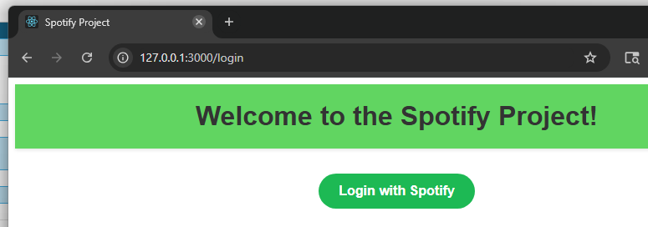
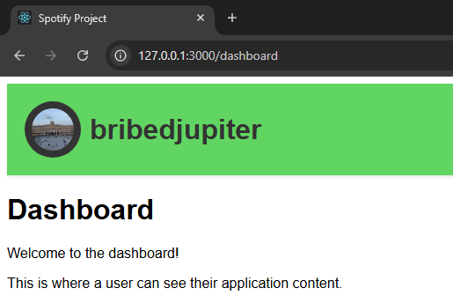

 |  |  |  |  | Figure 2. The login page.

 | Figure 1. The current dashboard page.

 |  |  |  |  | Figure 3. The loading screen while fetching data from Spotify.
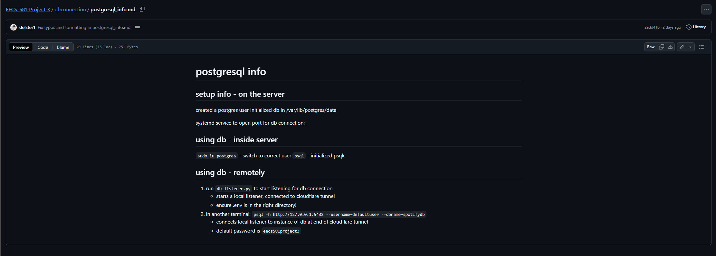

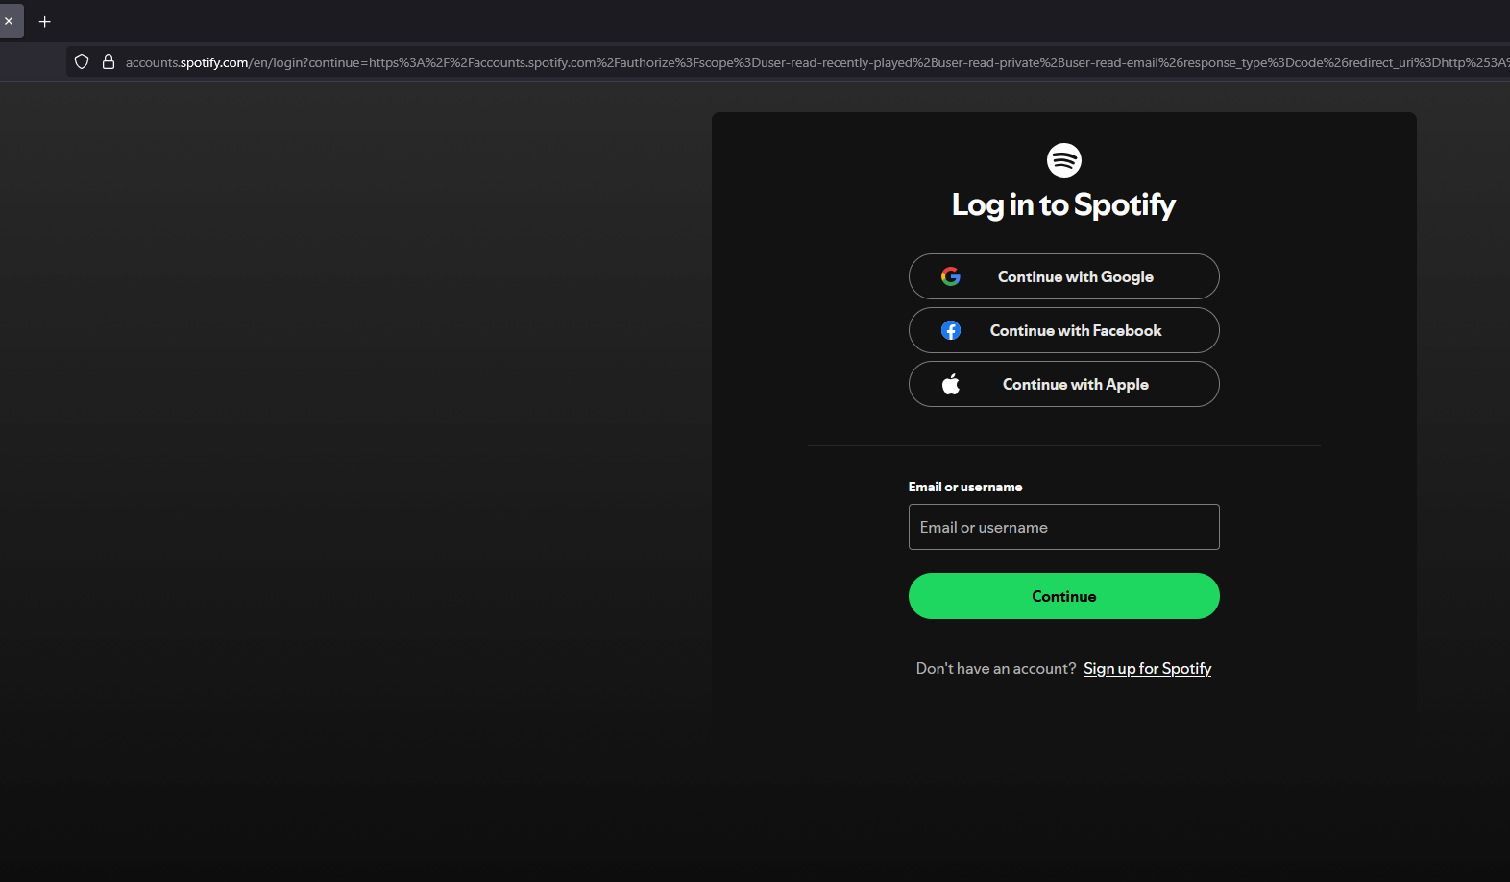

 |  |  |  |  | Figure 4. Spotify's authorization service's sign-in page.

 | Figure 5. The database connection information.

